Intro
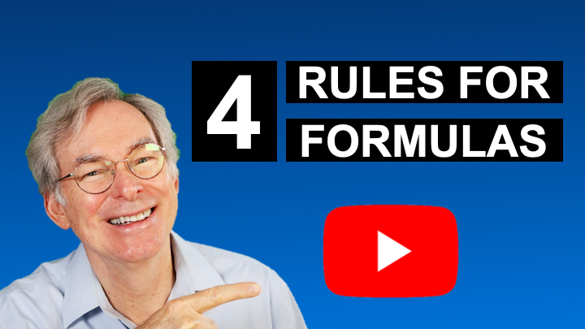
Workbook — 4 Rules for Formulas
By Rich Malloy, Tech Help Today
YouTube Video:
https://www.youtube.com/watch?v=Lc9FuryKuMQ&t=35s

Sheet | Description
1st Rule | Always start with an Equal Sign
Restaurant | 2nd, 3rd, and 4th Rules:
 | Avoid using numbers
 | Always check your results
 | Similar cell --> Similar formulas

