Loan Calculator
Loan Payment Calculator
Adapted from chandoo.org
This spreadsheet uses scrollbar controls from the Developer tab to make it more interactive.

 | Principal | $100,000

 | Rate in whole numbers | 400
 | Rate (annual) | 4.0%

 | Term (yrs) | 30

 | Monthly Payment :

Instructions:
 | Use the PMT function to calculate the monthly payment
 | =PMT(E9/12,E11*12,-E6)
 | Note: Rate in E8 has to be whole number to work with scrollbar
 | In the Developer tab, click Insert
 | Choose Scrollbar from the upper group
 | Draw a rectangle between "Principal" and cell E6
 | Rt-click the scroll bar and choose: Format Control
 | Set values as shown below:
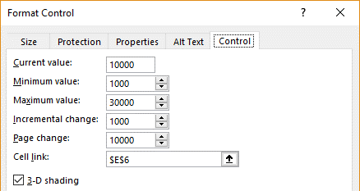

 | Set up the other two scrollbars in a similar way

